Instructions
HOW TO COMPLETE THE COMMUNITY PANDEMIC PREPAREDNESS AND RESPONSE SCORECARD

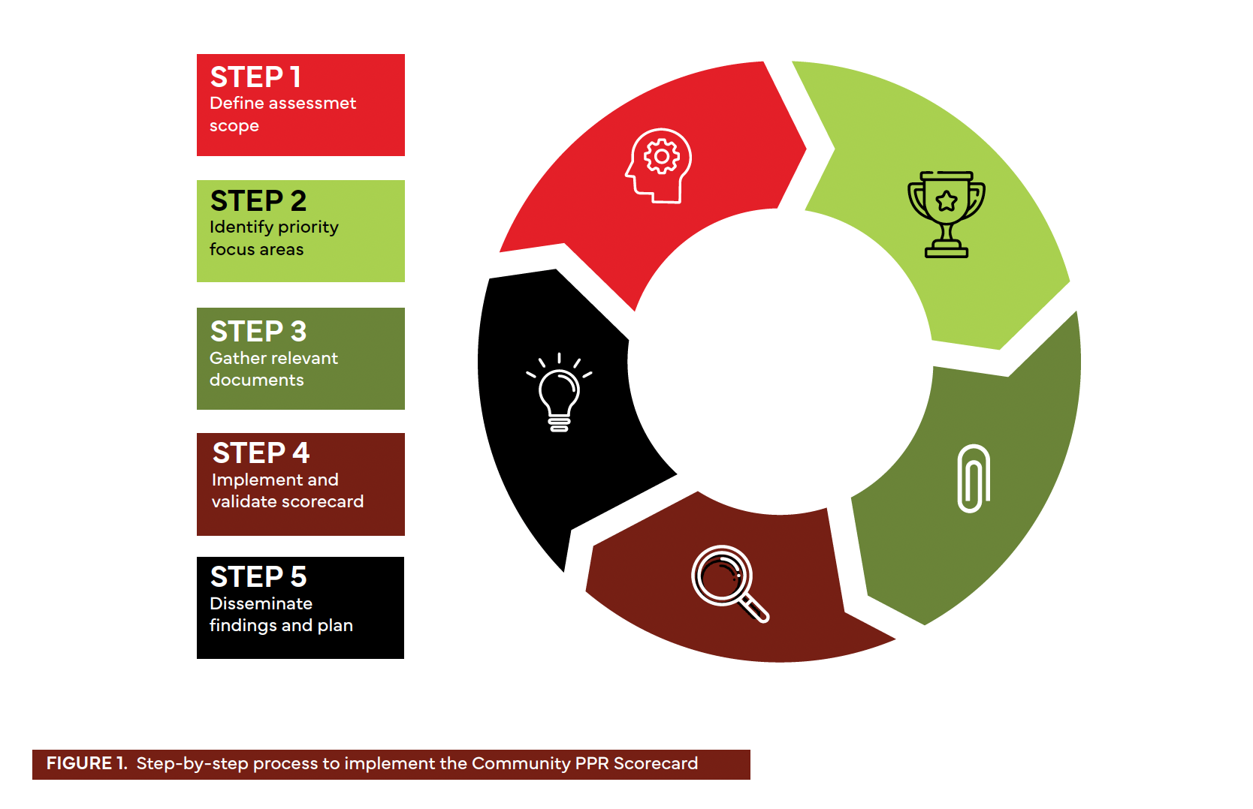
 | STEP 1: Define assessment scope The Community PPR Scorecard can be used in a variety of ways, depending on pandemic and country context. It may be applied as: a) A baseline measure, before communities have engaged in a PPR process. This might home in on engagement consultations, or policies affecting specific communities in PPR. b) An assessment of community engagement in a specific PPR process. This could be a Joint External Evaluation exercise, the planning or evaluation of a National Action Plan for Health Security, development of a Pandemic Fund proposal, or a rapid response to an outbreak or other pandemic threat. c) A follow-up assessment monitoring previously made commitments.

 | STEP 2: Identify priority focus areas Community engagement with PPR processes is still nascent in many settings. Implementing the full scorecard may not be feasible, and parts of it may not be relevant in all contexts. Financial and human resources may also be a constraint. Scorecard users should consider what feels most relevant and reasonable, centering activities on those topics. Ensure that a diverse group of impacted communities who will be implementing, validating, or acting on the scorecard findings are involved in this step of the process.

 | STEP 3: Gather relevant documents To prepare for scorecard implementation, key reference documents should be gathered and stored in a centralized accessible location. See Scorecard tool for more information on what types of documents may be useful.

 | STEP 4: Implement and validate the scorecard The Scorecard is designed to be flexible, and adaptation is encouraged. The following sub-steps are suggestions for implementation. The worksheet (see Appendix 1) can be used to support these steps. a) Assemble the team that will be conducting the scorecard exercise. b) Review the scorecard template, considering priority activities and national context. c) Develop or adapt the scorecard, as needed. Temas may decide to omit certain sections, or to adapt the grading criteria. d) Set a timeframe for the scoring process. Consider who should review it, and how the results wil lbe used. e) Execute the scorecard, responding to the key questions. f) Validate the results among a wider group of stakeholders, including broader communities and national decision-makers. Country context needs to be considered when administering the tool. As the assessment is conducted, national and subnational PPR-related legislation could be taken into consideration and recorded in the comments section of the scorecard tool.

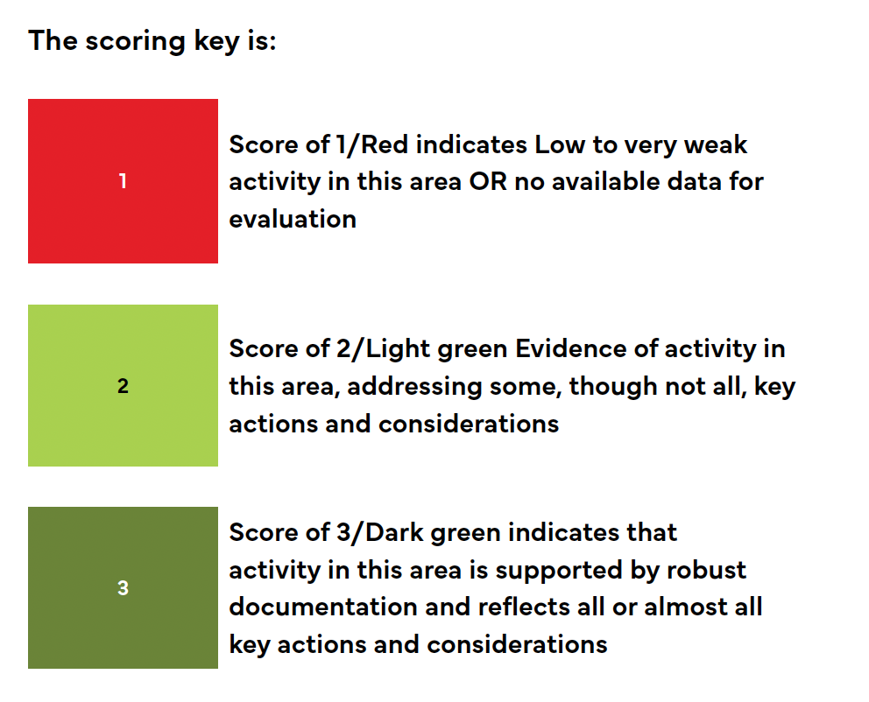
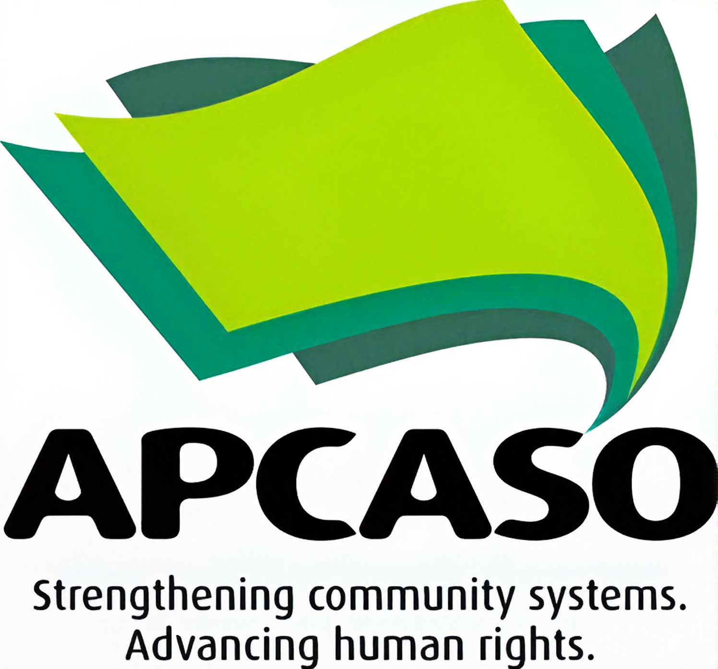

 | STEP 5: Disseminate scorecard findings and action plan Based on the decisions in the planning phase above, teams may decide to hold a convening to disseminate results back to key stakeholders, including impacted communities, government and development partners, civil society or other entities. Dissemination and awareness of scorecard findings are important steps. This is often the beginning, not the end, of critical follow-up. Consider developing a draft action plan to spark discussion at the dissemination meeting. The discussion questions in the next section can support planning.

Dashboard
COMMUNITY PANDEMIC PREPAREDNESS AND RESPONSE SCORECARD

 | Overall Score |  | 0% | Overall Threshold |  | LOW | Number of Sub-Dimensions Assessed |  |  | 23

 |  | NUMBER OF SUB-DIMENSIONS, PER DIMENSION AND PER THRESHOLD |  |  |  |  |  | OVERALL THRESHOLD PER DIMENSION

 |  | Engagement | 12 | LOW |  | 0 |  | Engagement | LOW

 |  | Equality | 5 | MODERATE |  | 0 |  | Equality | LOW

 |  | Rights | 6 | ROBUST |  | 0 |  | Rights | LOW

 |  | OVERALL SCORE, PER THRESHOLD |  |  | THRESHOLD SCORES PER DIMENSION |  |  | DIMENSIONS PER THRESHOLD SCORES

 | Engagement | Equality | Rights
Low | 0 | 0 | 0
Moderate | 0 | 0 | 0
Robust | 0 | 0 | 0
 | Robust | Moderate | Low
Engagement | 0 | 0 | 0
Equality | 0 | 0 | 0
Rights | 0 | 0 | 0
Low | 0%
Moderate | 0%
Robust | 0%

 |  |  |  |  | COMMUNITY PPR SCORES, PER DIMENSION

Rights | 0%
Equality | 0%
Engagement | 0%

